Intro


This document contains several workbooks, populated with sample sets of values and settings for a Qlik Sense deployment. In particular, these settings will accommodate a governed self-service deployment of Qlik Sense. There are many ways to accomplish this, but these settings provide some guide posts to help you get started and to see examples that you can extend to meet your organization's needs for Qlik Sense. The last tab in this workbook contains the link to the Qlik Community site dedicated to Governed Self-Service. This Qlik Community page should serve as the hub for additional knowledge, examples and discussions around this topic, so please bookmark it and participate in the discussions and offer your own solutions.

Roles1
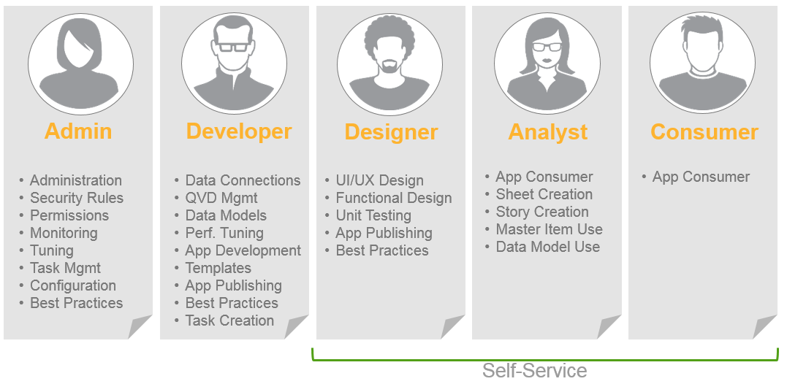
Sample Roles Definitions

Roles2
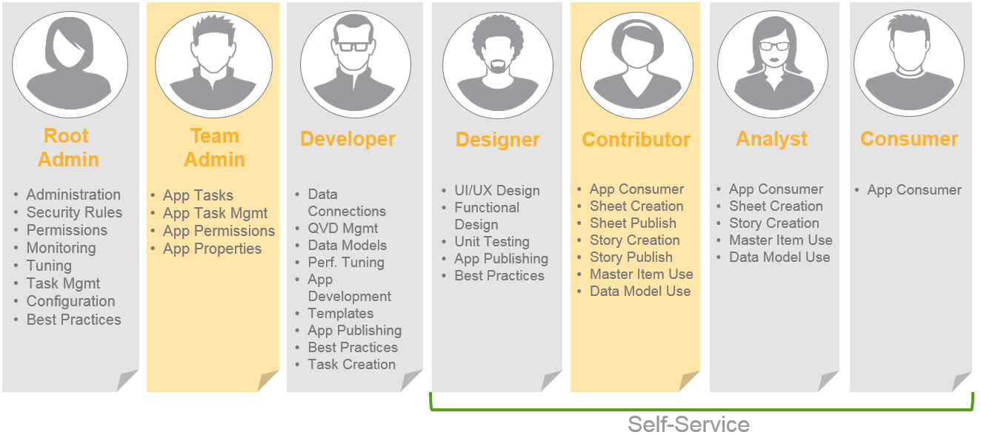
Sample Roles Definitions

Tags
 |  | Sample Tag Settings
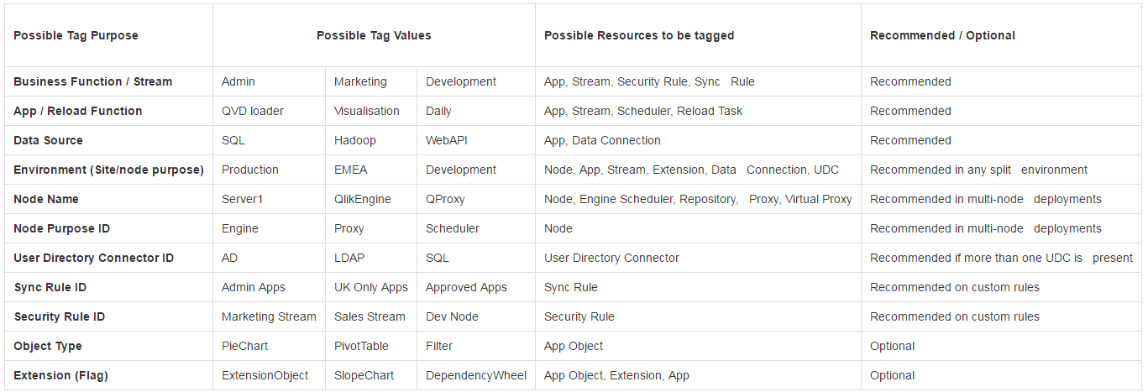

For the GSS Reference Deployment, we use the following Tags:
 | Custom - disabled
 | Custom Rule
 | iPortal User
 | PowerTool

